Indications
Annex 3: Debt register
Instruction sheet

Introduction. In this tool, there are three sheets. In the first, there are instructions on how to use the tool. In the second, there is the tool to be used digitally. The third sheet can be printed for manual usage.
Instructions. Each one of the fields to be filled out has an explanation of the information that needs to be entered, it is displayed when you place the mouse over the box that has a red mark in the upper right corner.

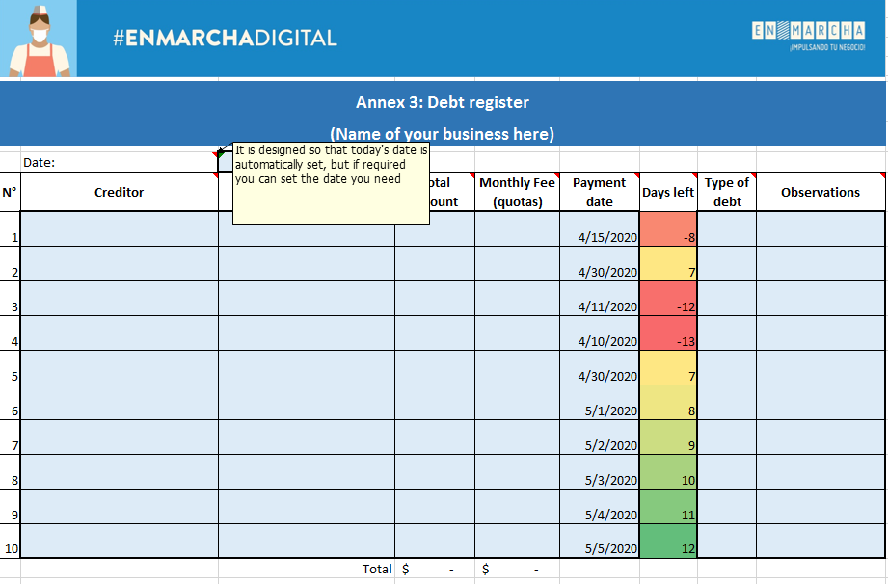

Only fill in the fields in light blue with a thick border.
The other cells contain formulas, these cells have been locked since they should not be modified.

